Plants
Scientific Name | Zone | Image
Erythrina variegata | Zone 1
Bombax ceiba | Zone 1
Hibiscus rosa-sinensis | Zone 1
Bauhinia racemosa | Zone 1
Mangifera indica | Zone 1
Careya arborea | Zone 1
Butea monosperma | Zone 1
Bombax ceiba | Zone 1
Mangifera indica | Zone 1
Mangifera indica | Zone 1
Bombax ceiba | Zone 1
Bombax ceiba | Zone 1
Pongamia pinnata | Zone 1
Alstonia scholaris | Zone 1
Alstonia scholaris | Zone 1
Terminalia catappa | Zone 1
Thespesia populnea | Zone 1
Thespesia populnea | Zone 1
Thespesia populnea | Zone 1
Ficus religiosa | Zone 1
Ficus religiosa | Zone 1
Melia azedarach | Zone 1
Azadirachta indica | Zone 1
Pongamia pinnata | Zone 1
Pongamia pinnata | Zone 1
Azadirachta indica | Zone 1
Azadirachta indica | Zone 1
Azadirachta indica | Zone 1
Melia azedarach | Zone 1
Melia dubia | Zone 1
Mangifera indica | Zone 1
Pongamia pinnata | Zone 1
Pongamia pinnata | Zone 1
Azadirachta indica | Zone 1
Azadirachta indica | Zone 1
Azadirachta indica | Zone 1
Erythrina variegata | Zone 1
Cordia sebestena | Zone 1
Sterculia urens | Zone 1
Ziziphus mauritiana | Zone 1
Grewia tiliifolia | Zone 1
Grewia tiliifolia | Zone 1
Erythrina variegata | Zone 1
Salix tetrasperma | Zone 1
Erythrina variegata | Zone 1
Bauhinia racemosa | Zone 1
Swietenia macrophylla | Zone 1
Madhuca longifolia | Zone 1
Bombax ceiba | Zone 1
Salix tetrasperma | Zone 1
Mangifera indica | Zone 1
Gmelina arborea | Zone 1
Tectona grandis | Zone 2 | 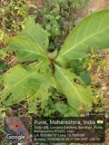
Syzygium cumini | Zone 2 | 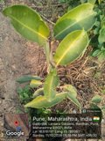
Pongamia pinnata | Zone 2 | 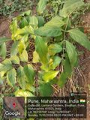
Bauhinia variegata | Zone 2 | 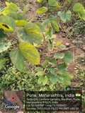
Dalbergia sissoo | Zone 2 | 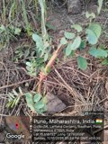
Hibiscus rosa-sinensis | Zone 2 | 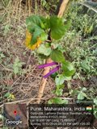
Bombax ceiba | Zone 2 | 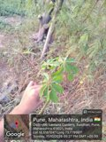
Bombax ceiba | Zone 2 | 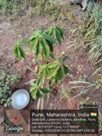
Terminalia arjuna | Zone 2 | 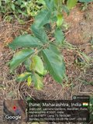
Pongamia pinnata | Zone 2 | 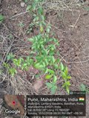
Azadirachta indica | Zone 2 | 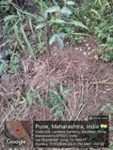
Azadirachta indica | Zone 2 | 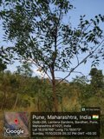
Azadirachta indica | Zone 2 | 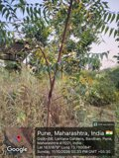
Nerium oleander | Zone 2 | 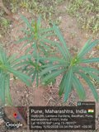
Hibiscus rosa-sinensis | Zone 2 | 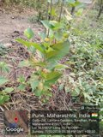
Bauhinia variegata | Zone 2 | 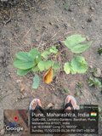
Butea monosperma | Zone 2 | 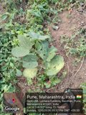
Bauhinia variegata | Zone 2 | 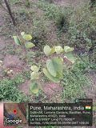
Bauhinia variegata | Zone 2 | 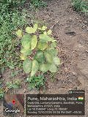
Terminalia arjuna | Zone 2 | 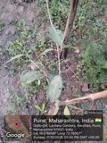
? | Zone 2 | 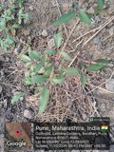
Pongamia pinnata | Zone 2 | 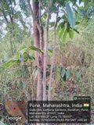
Pongamia pinnata | Zone 2 | 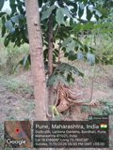
Azadirachta indica | Zone 2 | 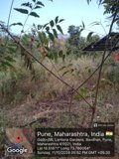
Mangifera indica | Zone 3
Mangifera indica | Zone 3
Syzygium cumini | Zone 3
Syzygium cumini | Zone 3
Terminalia bellirica | Zone 3
Aegle marmelos | Zone 3
Grewia tiliifolia | Zone 3
Dalbergia latifolia | Zone 3
Cordia sebestena | Zone 3
Syzygium cumini | Zone 3
Mangifera indica | Zone 3
Syzygium cumini | Zone 3
Azadirachta indica | Zone 3
Ficus religiosa | Zone 3
Bombax ceiba | Zone 3
Azadirachta indica | Zone 3
Cordia dichotoma | Zone 3
Ficus religiosa | Zone 3
Dalbergia latifolia | Zone 3
Plumeria rubra | Zone 3
Azadirachta indica | Zone 3
Azadirachta indica | Zone 3
Azadirachta indica | Zone 3
Dalbergia latifolia | Zone 3
Dalbergia latifolia | Zone 3
Azadirachta indica | Zone 3 | 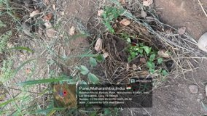
Terminalia bellirica | Zone 3
Psidium guajava | Zone 3
Plumeria rubra | Zone 3
Terminalia catappa | Zone 3
Terminalia catappa | Zone 3
Ficus benghalensis | Zone 3
Tectona grandis | Zone 3
Tectona grandis | Zone 3
Cordia dichotoma | Zone 3
Pongamia pinnata | Zone 3
Terminalia bellirica | Zone 3
Terminalia bellirica | Zone 3
Pongamia pinnata | Zone 3
Ziziphus mauritiana | Zone 3
Syzygium cumini | Zone 3
Alstonia scholaris | Zone 3
Tectona grandis | Zone 3
Mimusops elengi | Zone 3
Alstonia scholaris | Zone 3
Ficus benghalensis | Zone 3
Ficus benghalensis | Zone 3
Bombax ceiba | Zone 3
Terminalia bellirica | Zone 3
Madhuca longifolia | Zone 3
Plumeria rubra | Zone 3
Terminalia arjuna | Zone 3
Mangifera indica | Zone 3
Mangifera indica | Zone 3
Aegle marmelos | Zone 3
Mangifera indica | Zone 3 | 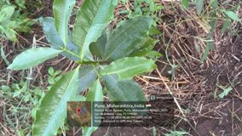
Mangifera indica | Zone 3 | 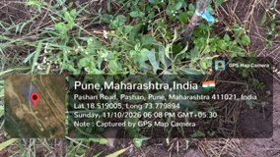
Citrus aurantiifolia | Zone 3
Azadirachta indica | Zone 3
Cordia dichotoma | Zone 3
Cordia dichotoma | Zone 3
Alstonia scholaris | Zone 3
Terminalia catappa | Zone 3
Bombax ceiba | Zone 3 | 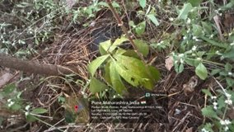
Terminalia catappa | Zone 3

